Belts woman collection
typology | gender | photo | q.ty
belts | woman |  | 1000
belts | woman | 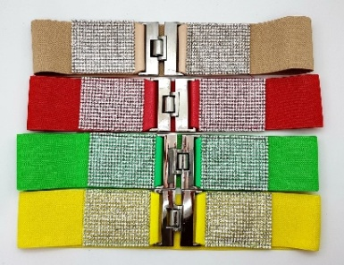
belts | woman |  | 2500
belts | woman
belts | woman |  | 5000
belts | woman | 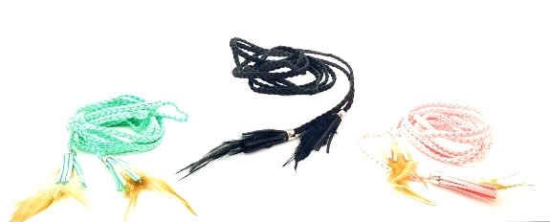
 |  |  | 8500

